Risk Register Voting
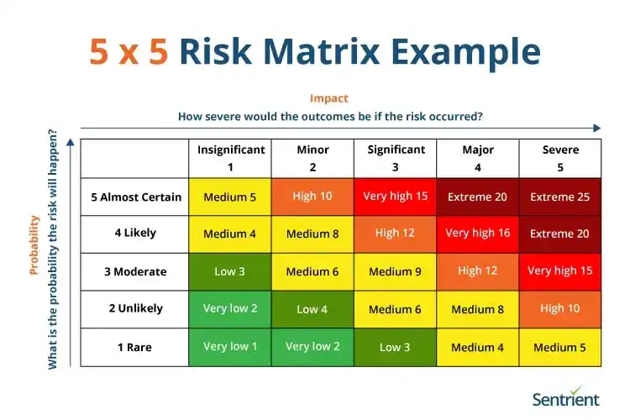
Risk Identification |  |  | Probability Votes (1–5) |  |  |  |  | Impact Votes (1–5) |  |  |  |  | Final Score
Rank | Risk Title | Category | Lalainne | Atasha | Michelle | Feliz | Average | Lalainne | Atasha | Michelle | Feliz | Average | Final Score | Risk Level
1 | Low Provider Adoption | Business and Reputation | 5 | 5 | 5 | 5 | 5 | 5 | 5 | 5 | 5 | 5 | 25 | Extreme
2 | AI API Cost Overrun | Business and Reputation | 5 | 5 | 5 | 5 | 5 | 5 | 5 | 5 | 5 | 5 | 25 | Extreme
3 | AI Hallucination Risk. | AI and Third-Party Dependencies | 3 | 4 | 3 | 3 | 3.25 | 5 | 5 | 5 | 5 | 5 | 16.25 | Very High
4 | Unauthorized Admin Access | Security and Compliance | 2 | 3 | 3 | 4 | 3 | 5 | 5 | 5 | 5 | 5 | 15 | Very High
5 | Security Breach | Security and Compliance | 3 | 4 | 3 | 2 | 3 | 5 | 5 | 5 | 5 | 5 | 15 | Very High
6 | UAT Failure | Quality | 2 | 3 | 3 | 3 | 2.75 | 5 | 4 | 4 | 5 | 4.5 | 12.375 | High
7 | Database Failure | Technical Infrastructure and Performance | 2 | 2 | 2 | 2 | 2 | 5 | 5 | 5 | 5 | 5 | 10 | High
8 | Dashboard Data Processing | Technical Infrastructure and Performance | 2 | 2 | 2 | 3 | 2.25 | 4 | 3 | 4 | 4 | 3.75 | 8.4375 | Medium
10 | Data Privacy Compliance Violation | Security and Compliance | 1 | 2 | 1 | 1 | 1.25 | 5 | 5 | 5 | 5 | 5 | 6.25 | Medium
11 | Loss of Customer Trust | Business and Reputation | 1 | 2 | 1 | 1 | 1.25 | 5 | 4 | 4 | 4 | 4.25 | 5.3125 | Medium
12 | Fraudulent Payment Shutdown | Security and Compliance | 2 | 1 | 2 | 1 | 1.5 | 3 | 3 | 4 | 4 | 3.5 | 5.25 | Medium
13 | Payment Gateway Delay | AI and Third-Party Dependencies | 1 | 1 | 2 | 2 | 1.5 | 3 | 3 | 4 | 3 | 3.25 | 4.875 | Medium
14 | High Traffic Issues | Technical Infrastructure and Performance | 1 | 1 | 2 | 2 | 1.5 | 3 | 3 | 3 | 3 | 3 | 4.5 | Medium
15 | Mobile Device Compatibility Issues | Technical Infrastructure and Performance | 1 | 1 | 2 | 1 | 1.25 | 3 | 5 | 3 | 3 | 3.5 | 4.375 | Medium
16 | Incomplete System Updates. | Operational | 1 | 1 | 1 | 1 | 1 | 4 | 4 | 4 | 4 | 4 | 4 | Medium
17 | Third-Party Service Shutdown | AI and Third-Party Dependencies | 1 | 1 | 1 | 1 | 1 | 4 | 2 | 3 | 4 | 3.25 | 3.25 | Low
18 | Down AI Image Generation | AI and Third-Party Dependencies | 2 | 1 | 2 | 1 | 1.5 | 2 | 2 | 2 | 2 | 2 | 3 | Low

